Assignment-1
 | Assignment-1

1 | What is SDLC?
Ans: | SDLC is a structure imposed on the development of a software product that defines the process for planning, implementation, testing, documentation,deployment and ongoing maintenance and support.

2 | What is agile methodology?
Ans: | Agile SDLC model is a combination of iterative and increamental process models with focus on process adaptability and customer satisfaction by rapid delivery of working software product.
 | Agile methods break the product into small incremental builds.

3 | What is SRS?
Ans: | A Software Requirement Specification is a complete description of the behaviour of the system to the developed.

4 | What is OOPS?
Ans: | Object oriented programming is a programming paradigm based on the conceptof object.

5 | Write Basic Concepts of oops?
Ans: | An object can be defined as a data field that has unique attributes and behaviour.

6 | What is object?
Ans: | An object represents an indivisual,indentifiable item,unit or entity,either real or abstract,with a well-defined role in the problem domain

7 | What is class?
Ans: | A class represents an abstraction of the object and abstracts the properties and behaviour of that object.

8 | What is encapsulation?
Ans: | Encapsulation is the practice of including in an object everything it needs hidden from other object everything it needs hidden from other objects. The internal state is usually not accessible by other objects.

9 | What is inheritance?
Ans: | Inheritance means that one class inherits the characteristics of another class.this is also called a "is a" relationship.

10 | What is polymorphism?
Ans: | Polymorphism means "having many forms".
 | It allows different objects to respond to the same message in different ways,the response specific to the type of the object.

11 | What is RDBMS?
Ans: | RDBMS stands for relational database management system.RDBMS is the basis for SQL and for all modern database systems like MS SQL server, IBM DB2,Oracle,My SQL, and Microsoft access.

12 | What is SQL?
Ans: | SQL is structured query language, which is a computer language for storing,manipulating and retrieving data stored in relational database.

13 | Write SQL Commands?
Ans: | DDL-Data Definitaion language
 | DML-Data Manipulation Language
 | DCL-Data Control Language
 | DQL-Data Query Language

14 | Draw usecase on online book shopping?
Ans:

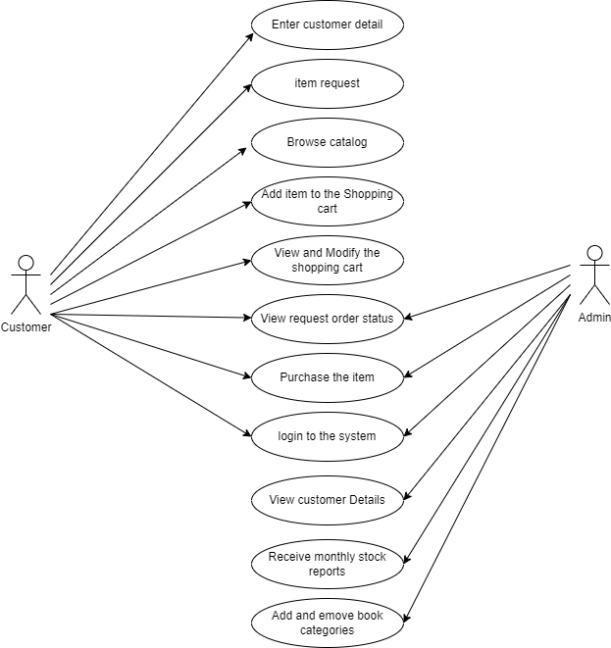

15 | Draw usecase on online bill payment system(paytm)
Ans:
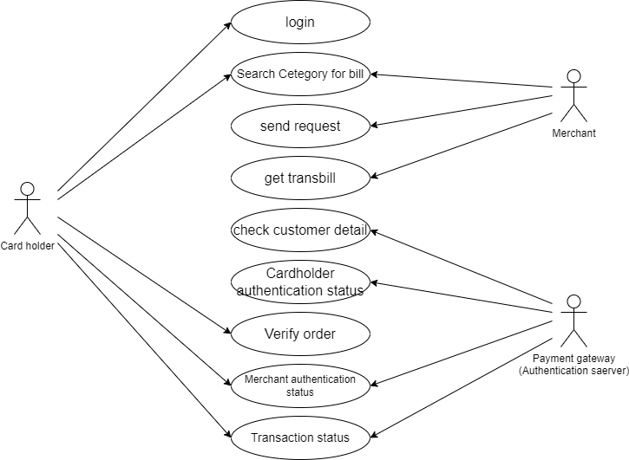

16 | Write SDLC phases with basic introduction?
Ans: | SDLC is a structure imposed on the development of a software product that defines the process for planning,implementation, testing, documentation,deployment, and ongoing maintenance and support.

 | requirement gathering
 | analysis
 | design
 | implementation
 | testing
 | maintenance

17 | Explain phases of the waterfall model?
Ans: | The waterfall is unrealistic for many reasons, especially:
 | requirements must be "Frozen" to early in the life cycle,
 | requirements are validated too late.

18 | Write phases of spiral model?
Ans: | Planning
 | Risk analysis
 | evaluation
 | engineering

19 | Write agile manifesto principles?
Ans: | Indivisuals and interactions
 | working software
 | Customer collaboration
 | Responding to change

20 | What is join?
Ans: | A join is an SQL operation perfomed to establish a connection between two or more database tables based on matching columns, thereby creating a relationship between the table.

21 | Write type of joins?
Ans: | Inner join syntax
 | Left join syntax
 | Right join syntax
 | full join syntax

22 | Explain working methodology of agile model and also write pros and cons.?
Ans: | Agile SDLC model is a combination of iterative and incremental process models with focus on process adaptability and customer satisfaction by rapid delivery of working software product
 | Agile methods break the product into small incremental builds.
 | These builds are provided in iterations.
 | Each iteration typically lasts from about one to three weeks.
 | Every iteration involves cross functional teams working simultaneously on various areas like planning,requirements analysis, design, coding, unit testing, and acceptance testing

 | Pros
 | is a very realistic approach to software development
 | Promote team work and cross training
 | Functionality can be developed rapidly and demonstrated
 | resource requirements are minimum
 | Suitable for fixed or changing requirements
 | Delivers early partial working solution
 | good model for environments that change steadily
 | Minimal rules,documantation esily employed
 | Enables concurrent development and delivery within an overall planned context.
 | little or no planning required.
 | Easy to manage and gives flexibility to developers.

 | Cons
 | not suitable for handling complex dependencies.
 | More risk of sustainbility,maintainability and extensibility.
 | An overall plan,an agile leader and agile PM practice is a must without which it will not work.
 | strict delivery management dictates the scope,functionality to be delivered, and adjustments to meet the deadlines.
 | depends heavily on customer interaction, so if customer is not clear, team can be driven in the wrong direction.
 | there is very high indivisual dependency, since thare is minimum documantation generated.
 | transfer of technology to new team members may be quite challenging due to lack of.

23 | Draw usecase on online shopping product using COD.?
24 | Draw usecase on online shopping product using payment gateway?
Ans:
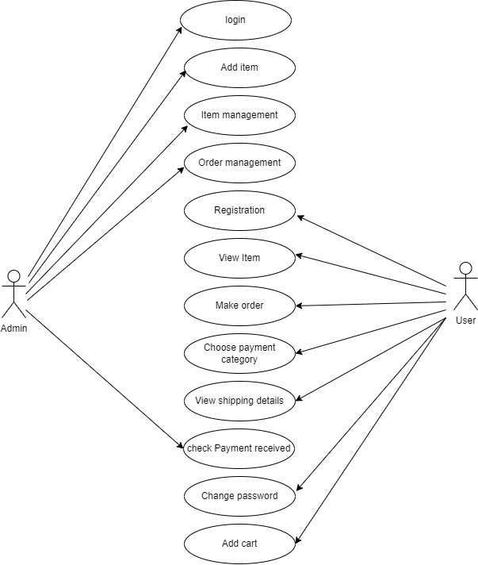

 | 0

